1. Title Page
Instacart Grocery Basket Analysis

Project Name: Instacart Grocery Basket Analysis
Date: September 20.09. 2023
Analyst Name: Olena Sharavara

Contents:
Population Flow
Consistency checks
Wrangling steps
Column derivations
Visualizations
Recommendations

2. Population Flow
Title page

Population flow

Exclusion flag
Condition: max_order < 5
Obervations to be removed: 1,440,295
Final total count of order_products_all: 30,964, 564

Orders_products_combined
Orders_products_merged
Orders_products_all

Total: 32,404,859
Total:32,434,489
Total:32,404,859

1.) The grey boxes in the first row of the population flow represent the original data sets as they were when you downloaded them. In the Total fields you need to add the count of the rows when you imported the data set into Jupyter.
2.) The second row of boxes (coloured) represents the data sets after you manipulated them, e.g., removed missing values and duplicates. In the Total fields you need to add the count of the rows after conducting these operations. This offers a visual oveview of how the data flows throughout the data consistency checks.
3.) The third row, where also the arrows are coloured, represents the merges you performed between the datasets. In the Total fields you need to add the count of the rows in the merged datasets, so that you end up with the final dataset (in the red box). Keep in mind the final dataset should be without exclusions (based on the exclusion flag).

3. Consistency checks
 |  |  |  | Title page
Consistency checks

Dataset | Missing values | Missing values treatment | Duplicates
orders | There are 206,209 missing values in the 'day_since_last_order' column. . | The missing value of ' 0' was due to the new customer, who had no prior order. Created a new boolean column for missing values in the "days_since_last_order" column. which will be true if NaN and false if not. | There is no duplicate values.
products | There are 16 missing values in 'product_name' column. | The missing values were droped. | There are 5 duplicate values, which was dropped.
orders_products_prior | No missing values found. |  | No duplicate values were found.
customers | There are 11,259 missing values in the 'first_name' column. | No action was taken since it will not impact the analysis, and for PII privacy reasons, the 'first_name' and 'last_name' columns will be dropped. | No duplicate values were found.

4. Wrangling steps
 |  |  |  | Title page
Wrangling steps

Columns dropped | Columns renamed | Columns' type changed | Comment/Reason
"eval_set" |  |  | Irrelevant column for analysis.
 | "order_dow" to 'orders_day_of_week' |  | simple to comprehend
 | 'day_since_prior_order'' to ''day_since_last_order'' |  | simple to comprehend
 | "First Name" to "first name" "Surname" to " last name" "Gernder" to "gernder" " STATE" to "state" "n_depandents" to "dependents" "Age" to "age" "fam_status" to "marital_statuts" "date_joined" to "joined date" |  | Column names have been altered, rectified, and converted to lowercase letters to match the dataframe columns.
 |  | user_id | Changed the type of column to string.
 |  | order_id | Changed the type of column to string.
 |  | first name | Changed the type of column to string.
"first name", "last name" |  |  | For (PII) privacy reasons, the 'first_name' and 'last_name' columns were dropped.

5. Column derivations
 |  |  |  | Title page

Column derivations and aggregations

In this tab you should add tables below that the frequences of flags/label variables that you produced after deriving them. NB: don't do this for continuous variables, only for flags.
Dataset | New column | Column/s it was derived from | Conditions
orders_products_merged | price_range_loc | "prices" | Low-range: if price is <=5 Mid-range: if price is >5 & <= 15 High range: if price is > 15
orders_products_merged | busiest_day | "orders_day_of_week" | If orders_day_of_week = 0 then Busiest day, if orders_day_of_week = 4 then Least Busy day, if orders_day_of_week is anything else then Regularly Busy
orders_products_merged | busiest_days | "orders_day_of_week" | If orders_day_of_week = 0 or 1 then Busiest day, if orders_day_of_week = 4 or 3 then Least Busy day, if orders_day_of_week is anything else then Regularly Busy
orders_products_merged | busiest_period_of_day | "order_hour_of_day" | Average orders: if order_hod = 17,8,19,20,7,21,22 Most orders: if order_hod = 10,11,14,15,13,12,16,9 Fewest orders: if order_hod = all else
orders_products_merged | max_order | "user_id" , "order_number" | Using 'Groupby' function
orders_products_merged | loyalty_flag | "max_order" | Loyal customer: if max. orders > 40. Regular customer: if max. orders <= 40 and >10 New customer: if max. orders <=10
orders_products_merged | average_price | "user_id" , "prices" | Using 'Groupby' function
orders_products_merged | spending_flag | "user_id", "average_price" | Low spender: if average price is <10. High spender: if average price >=10
orders_products_merged | median_days | "user_id", "days_since_last_order | median of the days_since_last_order column.
orders_products_merged | frequency_flag | "median_days" | Non-freqent customer: if median days >20. Regular customer: if median days <=20. Frequent customer: if median days <=10
df_final | region | "state" | "Northeast": ['Maine', 'New Hampshire', 'Vermont', 'Massachusetts', 'Rhode Island', 'Connecticut', 'New York', 'Pennsylvania', 'New Jersey'] "Midwest" : ['Wisconsin', 'Michigan', 'Illinois', 'Indiana', 'Ohio', 'North Dakota', 'South Dakota', 'Nebraska', 'Kansas', 'Minnesota', 'Iowa', 'Missouri'] "South": ['Delaware', 'Maryland', 'District of Columbia', 'Virginia', 'West Virginia', 'North Carolina', 'South Carolina', 'Georgia', 'Florida', 'Kentucky', 'Tennessee', 'Mississippi', 'Alabama', 'Oklahoma', 'Texas', 'Arkansas', 'Louisiana'] "West": ['Idaho', 'Montana', 'Wyoming', 'Nevada', 'Utah', 'Colorado', 'Arizona', 'New Mexico', 'Alaska', 'Washington', 'Oregon', 'California', 'Hawaii']
df_final2 | age_category | "age" | Young adults: if age is <=35. Middle-aged: if age is >35 and <60. Senior Citizens: if age is >60
df_final2 | income_class | "income" | Lower-income: if income is >=25900 and <100000. Middle-income: if income is >=10000 and <0200000. Upper-income: if income is >200000
df_merged | customer_profile | "depandents" | Single adult: depandents =0. Young parent: dependants >0. Family: dependents <=2. Big Family: dependents >2

6. Visualizations
 |  |  | Title page

Visualisations

In this tab you should include all the visualtions from Exercises 4.9 and 4.10, alongside the questions from the project brief that they answer. Include any commentary on the relationship between different variables.

The sales team needs to know what the busiest days of the week and hours of the day are
(i.e., the days and times with the most orders) in order to schedule ads at times when there are fewer orders

Order Placed by Days of the Week. | Frequency of Orders hour of the day



Days of Week
Legend
0 - Saturday
1 - Sunday
2 - Monday
3 - Tuesday
4 - Wednesday
5 - Thursday
6 - Friday

Most orders are placed on weekends Saturday and Sunday.
Wednesday and Tuesday have least orders recorded.
The histogram shows that at 6 AM the number of orders begins to rise steadily, with a gradual increase up till 9 AM. From 9 AM till 6 PM is the peak of customers activity and from 6 PM it declines. At arround 3 AM is the lowest level of orders.

The sales team also want to know whether there are particular times of the day when people spend the most money ?

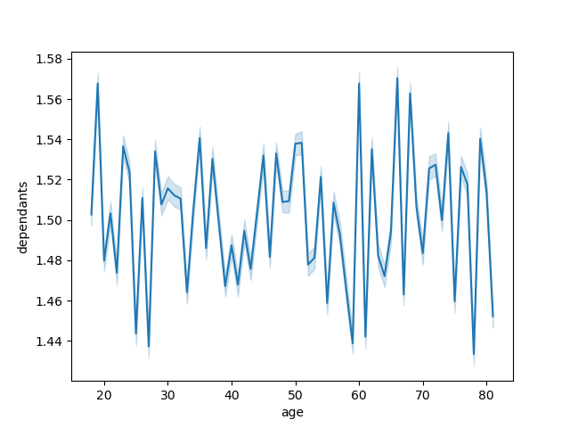
Spending Amount by Hour of the Day. |  | Age and Number of Dependents relationship
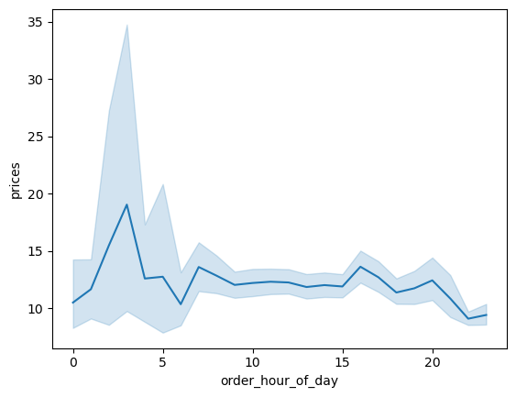

This line chart shows that there is no direct connection between 'number of dependants and 'age' .
This line chart shows that customers are very active between 12 to 4 am.

Instacart has a lot of products with different price tags. Marketing and sales want to use simpler price range groupings to help direct their efforts.

Frequency Of Orders Prices.


The frequency of items from $1-$15 is relatively stable, there is a major
drop off with items priced above $15.

Are there certain types of products that are more popular than others? The marketing and sales teams want to know which departments have the highest frequency of product orders.

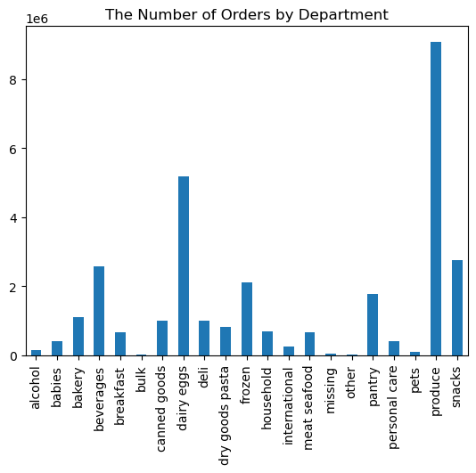

Produce department has the highest frequency of product orders, than goes dairy/eggs department, accounting for slightly more than half of all produce orders. And than snacks, beverages and frozen.

What’s the distribution among users in regards to their brand loyalty (i.e., how often do they return to Instacart)?
Are there differences in ordering habits based on a customer’s loyalty status?

Frequency of Customers Loyalty


The bar chart visualizes three customer segments: "Regular customers" with the tallest bar, indicating they order between 10 and 40 times, but they are largest share of the customers next the "Loyal customers" with a medium-sized bar, they order more than 40 times, but they are less in numbers than Regular customers and "New customers" with the smallest bar, they place 10 or fewer orders. The chart effectively communicates the order behavior of these customer segments in a simple and visually informative manner.

Are there differences in ordering habits based on a customer’s region?

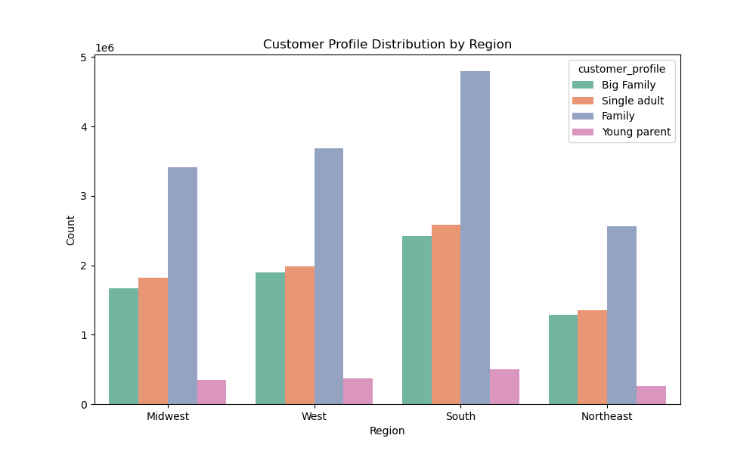
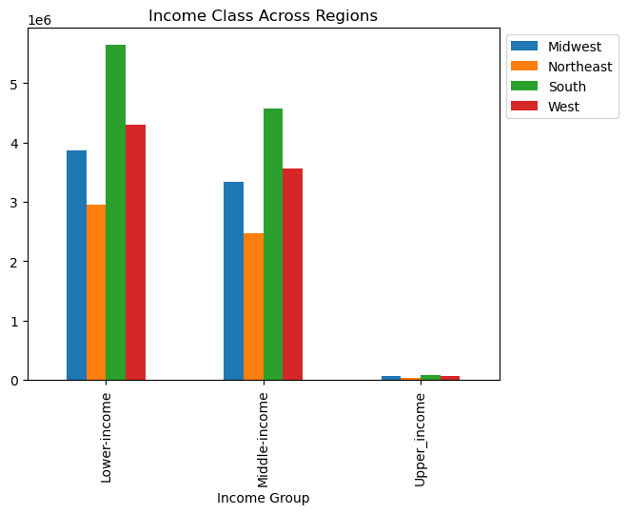
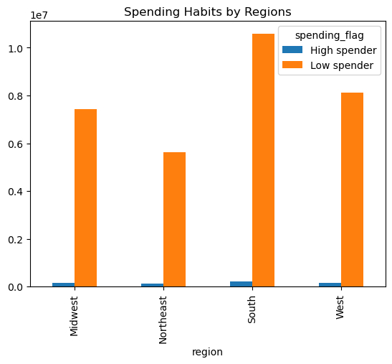

South and West regions have customers with higher ordering habits, while the Northeast region has customers with lower ordering habits. The Midwest region falls in between, displaying moderately better ordering habits compared to the Northeast.
The below bar chart shows that the 'Low Spenders' generates the maximum revenue for Instacart. The maximum number of Low Spenders are from the South, followed by West and Midwest.
Low Spenders and High Spenders: In both segments of low spenders and high spenders, the ordering habits mirror the same regional trends. The South region leads in ordering habits, followed by the West region, while the Northeast region lags behind. The Midwest region demonstrates slightly better ordering habits than the Northeast but doesn't reach the levels of the South and West regions.

Is there a connection between age and family status in terms of ordering habits?

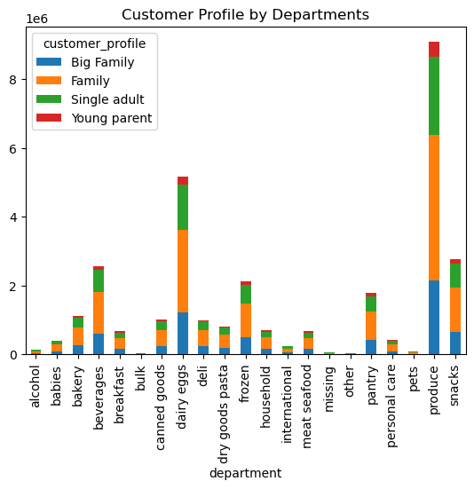
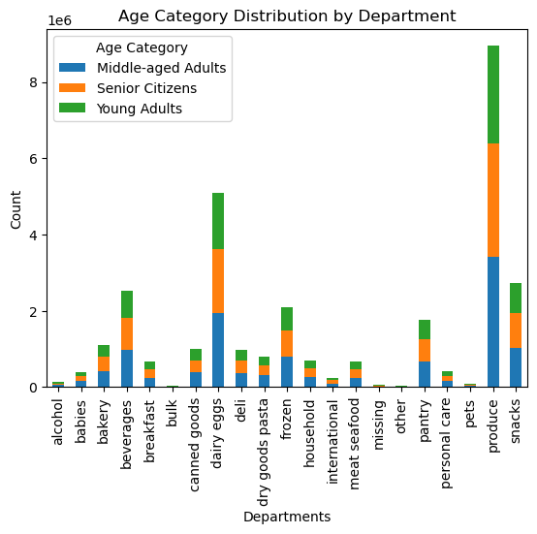

Analyzing ordering habits across different age groups (Young adults, Middle-aged adults, and Senior citizens) for various product departments, we didnt reveal a distinct pattern. Ordering habits seem to vary across departments regardless of age.
The key observation here is that the "Family" category consistently displays the highest ordering habits. Out visualization shows some variations in ordering habits across age groups and family types, it appears that family status (specifically, family category) might have a more pronounced impact on ordering habits within the context of these product departments than age alone.

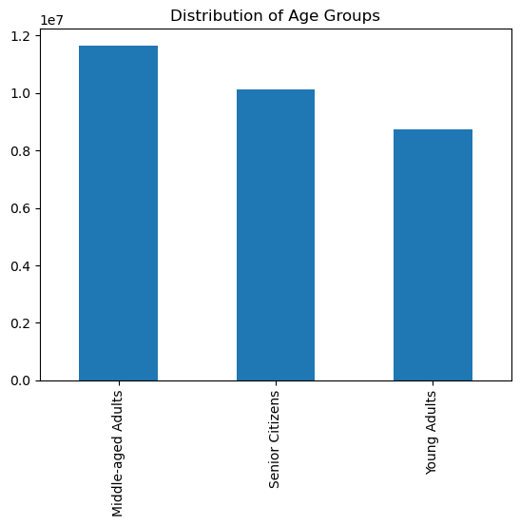
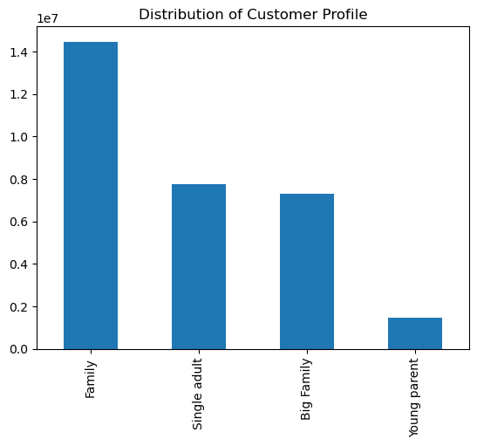

Is there a connection between income status and age in terms of ordering habits?

Income by Age

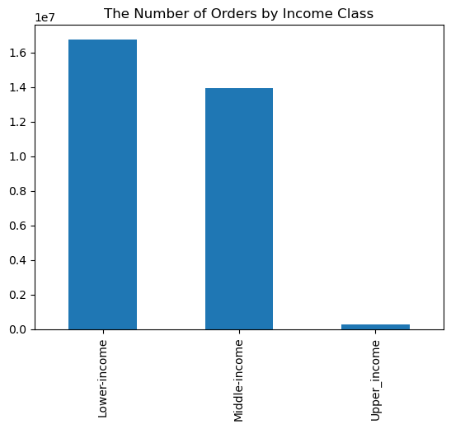

The scatterplot reveals the relationship between age and income, with age plotted on the x-axis and income on the y-axis. Across most age groups, from 20 to 80 years old, there is a consistent pattern where the majority of individuals have a yearly income of around 200,000. However, as age advances beyond 40 years, there is a noticeable trend where some individuals experience an increase in income, reaching up to 300,000. Furthermore, a few data points, primarily among individuals aged 45 and above, show income levels exceeding 300,000 but still remaining below 600,000, suggesting that there is some variation in income for this older age group.
The bar chart prominently shows that the lower income class places the highest number of orders, indicating a stronger reliance on these services. In contrast, the middle income class follows with a moderately lower order count, while the upper income class exhibits notably fewer orders, suggesting a lower dependency on such services within this income bracket.

7. Recommendations
Title page

Recommendations

In this tab you should include any recommendations you would made to Instcart in terms of their marketing strategy based on the questions posed in the brief. Every key question has been covered in the Tasks of the Exercises - here you need to add an item - a visualisation or table/crosstable that is showing the answer in the data, acompanied by a comment from you. Please, list the questions below and add the answer underneath.

The sales team needs to know what the busiest days of the week and hours of the day are (i.e., the days and times with the most orders) in order to schedule ads at times when there are fewer orders.

Answer: Our analysis shows that the busiest days of the week for Instacart are Friday, Saturday and Sunday , with the highest number of orders placed during these days. In contrast, Tuesday and Wednesday experience lower order volumes.
Regarding the busiest hours of the day, the trend suggests that order counts begin to rise at 6 am, peaking between 9 am and 6 pm. After 6 pm, there is a gradual decline in orders, with a significant drop-off late at night around 3 am.
Recommendation:
According to research, consumers are actually more likely to engage with ads and sponsored content when they’re tired or actively in the process of making decisions as a consumer, as this creates a scenario where their internal mental resources are exhausted and they’re increasingly susceptible to marketing overtures.
So, while it may seem counterintuitive, one of the best times to target customers and market products directly is at the end of the typical working day.
Interestingly, this highlights the benefits of using 48 and 96-sheet billboards to target consumers at strategic roadside locations, particularly those based online busy and popular commuter routes.

They also want to know whether there are particular times of the day when people spend the most money, as this might inform the type of products they advertise at these times.
Answer: The statistics showed, it appears that people tend to spend slightly more money during the early morning hours, specifically between 12 am and 4 am.
Recommendation:
Implement dynamic advertising strategies that adjust product recommendations and promotions based on the time of day. For example, showcase breakfast items in the morning and snacks during late-night hours.
By aligning product advertising with the times when people tend to spend more money and tailoring promotions to address low-spending periods, Instacart can potentially enhance sales and customer engagement throughout the day.
The sales team could run some ads of its high range products at around 4am and may also give some special offers for its high range products during this time. They can also run some customized ads and offer some discounts of their high range products from 9am to 5pm, since these are the busiest hours of the day, and during this time mostly the customers focus on the mid range products only. This would help in creating an awareness of its high range products and also increase the possibility of them getting sold out and simultaneously increase the bill value during the peak hours of the day.

Instacart has a lot of products with different price tags. Marketing and sales want to use simpler price range groupings to help direct their efforts

Answer: Based on the data of Instacart's product price tags, it is evident that mid-range price products are the most popular among customers, followed by low-range products. High-range products, which are priced higher, are purchased less frequently. The price range for products on Instacart spans from a minimum of 1.0 to a maximum of 25, with an average or mean price of approximately 7.80.
Recommendation:
As we can see that majority of the products are mid range products, followed by low range products, so we should now focus to the high range products. Most of the high range products are bought by the medium income customers, followed by the low income customers. And surprisingly very few high income customers are seen ordering the high range products inspite of their ability to buy them, hence would recommend to target these high income customers and show them some customized ads of the high range products and incentivize them by providing special offers and special loyalty points.

Are there certain types of products that are more popular than others? The marketing and sales teams want to know which departments have the highest frequency of product orders.

Answer: It's evident that certain types of products are more popular than others. The department with the highest frequency of product orders is 'Produce,' and it's followed by 'Dairy/Eggs,' which accounts for slightly more than half of all 'Produce' orders. Additionally, the 'Snacks,' 'Drinks,' and 'Frozen' departments collectively include approximately 50% of the 'Dairy/Eggs' orders.
Recommendations:
II would recommend Instancart to do some promotional activities for the other departments like bakery, deli, meat seafood, canned goods to increase their revenue. Since the majority revenue is generated from produce which consists of fresh vegetables and fruits, we can also try to promote the frozen and canned goods of vegetables and fruits specifically to the low and medium income groups and the young and middle age customers by showing them its advantages over fresh vegetables.

The marketing and sales teams are particularly interested in the different types of customers in their system and how their ordering behaviors differ. For example:
What’s the distribution among users in regards to their brand loyalty (i.e., how often do they return to Instacart)?
Are there differences in ordering habits based on a customer’s loyalty status?
Answer: The three customer segments: "Regular customers" indicating they order between 10 and 40 times, but they are largest share of the customers next the "Loyal customers" they order more than 40 times, but they are less in numbers than Regular customers and "New customers" they place 10 or fewer orders. The analysis effectively communicates the order behavior of these customer segments in a simple and visually informative manner.
Recommendations:
I would recommend that the regular customer who share big number of ciustomers, Offer loyalty rewards, exclusive discounts, and personalized product recommendations to maintain and enhance their engagement, ensuring they continue to place high-volume orders and become loyal.
Are there differences in ordering habits based on a customer’s region?
Answer:
Majority of both the low spending and high spending customers are based in the South, followed by West and Midwest regions. In South, majority of the revenue comes from the Produce, followed by Dairy Eggs, Snacks and Beverages. In the West also, majority of the revenue comes from Produce, Dairy Eggs, Snacks and Beverages. The Western region also follows the same trend.
Based on the observations from the three different customer segments, it is evident that there are notable differences in ordering habits among customers depending on their region. The South and West regions consistently exhibit higher ordering habits, while the Northeast region tends to have customers with lower ordering habits.
Recommendations:
I would suggest the marketing team to show customized ads and give customized offers to the customers based on their region. Curate product offerings based on regional preferences to further align with customer habits. Highlight local or regional specialties and create assortments that cater to unique tastes and needs. Regularly monitor and analyze regional ordering trends to adapt strategies as customer behavior evolves over time. Flexibility and responsiveness to regional variations will be key in optimizing order placements and enhancing customer satisfaction.
Is there a connection between age and family status in terms of ordering habits?
Answer:
Our analisys doesn't reveal a distinct pattern suggesting that age alone is a strong determinant of ordering habits. Ordering habits seem to vary across departments regardless of age.
Ordering habits across different family types (Big family, Family, Single adult, and Young parent) for the same product departments shows that the "Family" category consistently displays higher ordering habits compared to the other family types across departments.
Recommendations:
Since we know here that majority of the customers are married with dependants and are aged in between 35 to 60 years, would recommend the marketing team to create customized ads for this particular group, and the old aged and single/married customers without any dependants separately. This would help to target both the groups accordingly. And would also suggest to offer special discounts to the old aged and single/married customers without any dependants to increase the revenue.
Continuously monitor customer behavior to identify evolving patterns and adjust marketing strategies accordingly. Regularly assess the impact of promotions and product recommendations on both age and family status segments to optimize ordering habits
What different classifications does the demographic information suggest? Age? Income? Certain types of goods? Family status?
Answer:
Our analisys shows that the lower income class places the highest number of orders.
Ordering habits across different age groups (Young adults, Middle-aged adults, and Senior citizens) for various product departments doesn't reveal a distinct pattern suggesting that age alone is a strong determinant of ordering habits. Ordering habits seem to vary across departments regardless of age.
The ordering habits of the "Family" category consistently displays higher ordering habits compared to the other family types across departments. This suggests that family with 1 or 2 depandents, may have a more noticeable influence on ordering habits within these product departments compared to age.
Recommendations:
Tailor marketing efforts and promotions to accommodate the high-ordering habits of the lower income class, ensuring affordability and value are emphasized in product offerings. Recognize that age alone may not be a strong determinant of ordering habits. Implement product recommendations and promotions that cater to diverse age groups' preferences and needs. Focus marketing initiatives on the "Family" category, as it consistently displays higher ordering habits. Offer family-friendly bundles, discounts, and incentives to engage this customer segment effectively.
What differences can you find in ordering habits of different customer profiles? Consider the price of orders, the frequency of orders, the products customers are ordering, and anything else you can think of.
Answer:
Marital Status
All the customers irrespective of their family status order in between 9am and 6pm.
All the customers irrespective of their family status orders produe products the most, followed by dairy eggs, snacks and beverages.
Majority of the customers who are married and have dependants are from south, followed by west and midwest
Order Frequency:
Regular customers tend to place orders more frequently, often as part of their routine shopping. They may have weekly or bi-weekly orders.
Loyal customers, while committed to the platform, might not place orders as frequently as regular customers. They are likely to have a less rigid ordering schedule.
New customers typically place fewer orders, as they are still exploring the platform and may not have established a consistent ordering pattern.
Income
All the income groups orders mid range products.
Majority of all the income groups are based in south, followed by west and midwest respectively.
Most of the frequent customers have a medium income
The medium income group orders produce products the most, followed by dairy eggs, snacks and beverages. The same goes for the high income group. But, the low income group orders snacks more than beverages.
Product Variety:
Regular Customers: They might explore a wider range of products, including new and seasonal items, leading to a diverse product mix in their orders.
Loyal Customers: Loyal customers may have consistent product preferences but could also experiment with premium or specialty items occasionally.
New Customers: New customers tend to stick to basic or familiar products in their initial orders as they get acquainted with the platform.

